Sheet1
IF_ID_inst_input [31:16] / mem data [31:16] | IF_ID_inst_input[15:0] / mem data [15:0] | Controls | halfclk | PC | Memoryout | EX_MEM_aluresult_input | writedata | alusrc_A | alusrc_B | Pcin
0000000000000000 | 0000000000110011 | 0000101001001100 | 1 | 0 | 51 | 0 | 0 | 0 | 0 | 4
0000000000000000 | 0000000000110011 | 0000000001000100 | 0 | 0 | 51 | 0 | 0 | 0 | 0 | 4
0000001101000000 | 0010000010000011 | 0000000001000100 | 1 | 4 | 131 | 0 | 0 | 0 | 0 | 8
0000000000010010 | 1111111110000011 | 0000101001001100 | 0 | 4 | 8067 | 0 | 0 | 0 | 0 | 8
0000001110000000 | 0010000100000011 | 0000101001001100 | 1 | 8 | 259 | 52 | 0 | 0 | 52 | 12
0000000000000000 | 0000000000010001 | 0000101001001100 | 0 | 8 | 17 | 52 | 0 | 0 | 52 | 12
0000001111000000 | 0010000110000011 | 0000101001001100 | 1 | 12 | 387 | 56 | 17 | 0 | 56 | 16
0000000000000000 | 0000000000001001 | 0000101001001100 | 0 | 12 | 9 | 56 | 17 | 0 | 56 | 16
0000000000100000 | 1110001010110011 | 0000101001001100 | 1 | 16 | 691 | 60 | 9 | 0 | 60 | 20
0000000000000000 | 0000000000011001 | 0000000000100100 | 0 | 16 | 25 | 60 | 9 | 0 | 60 | 20
0000000000110010 | 1000010001100011 | 0000000000100100 | 1 | 20 | 1123 | 25 | 25 | 17 | 9 | 24
0000000000000000 | 0000000000000000 | 0001000011000000 | 0 | 20 | 0 | 25 | 25 | 17 | 9 | 24
0000000000100000 | 1000000110110011 | 0001000011000000 | 1 | 24 | 435 | 0 | 25 | 25 | 25 | 28
0000000000100000 | 0000000000000000 | 0000000001000100 | 0 | 24 | 0 | 25 | 25 | 25 | 25 | 28
0000000000100001 | 1000001010110011 | 0000000001000100 | 1 | 28 | 691 | 1 | 0 | 17 | 9 | 32
0000000000110010 | 1111111110110011 | 0000000001000100 | 0 | 28 | 8115 | 1 | 0 | 17 | 9 | 32
0000001001010000 | 0010100000100011 | 0000000001000100 | 1 | 32 | 2083 | 34 | 1 | 25 | 9 | 36
0000000000010000 | 0000000000100011 | 0000000001011000 | 0 | 32 | 35 | 34 | 1 | 25 | 9 | 36
0000001100000000 | 0010001100000011 | 0000000001011000 | 1 | 36 | 771 | 48 | 34 | 0 | 48 | 40
0000000000000000 | 0000000000000011 | 0000101001001100 | 0 | 36 | 3 | 48 | 34 | 0 | 48 | 40
0000000000010011 | 0111001110110011 | 0000101001001100 | 1 | 40 | 5043 | 48 | 48 | 0 | 48 | 44
0000000000000000 | 0000000000100010 | 0000000000000100 | 0 | 40 | 34 | 48 | 48 | 0 | 48 | 44
0100000000100000 | 1000010000110011 | 0000000000000100 | 1 | 44 | 1075 | 0 | 34 | 34 | 17 | 48
0000000000000000 | 0000000000000000 | 0000000011000100 | 0 | 44 | 0 | 0 | 34 | 34 | 17 | 48
0000000000000000 | 0000000000100010 | 0000000011000100 | 1 | 48 | 34 | 8 | 0 | 17 | 9 | 52
0000000000000000 | 0000000000000000 | 0000000001011000 | 0 | 48 | 0 | 8 | 0 | 17 | 9 | 52

The highlighted cells are the ones we took a screenshot of and included in the excel

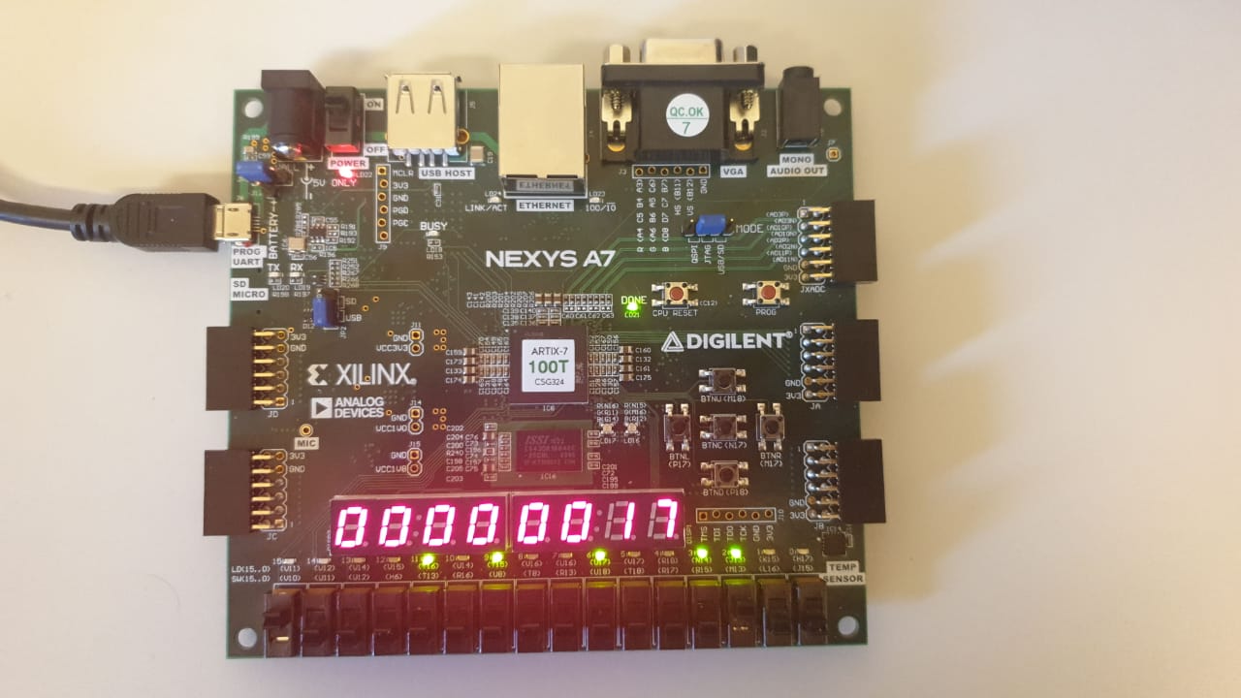

 |  |  | PC 12, write data output

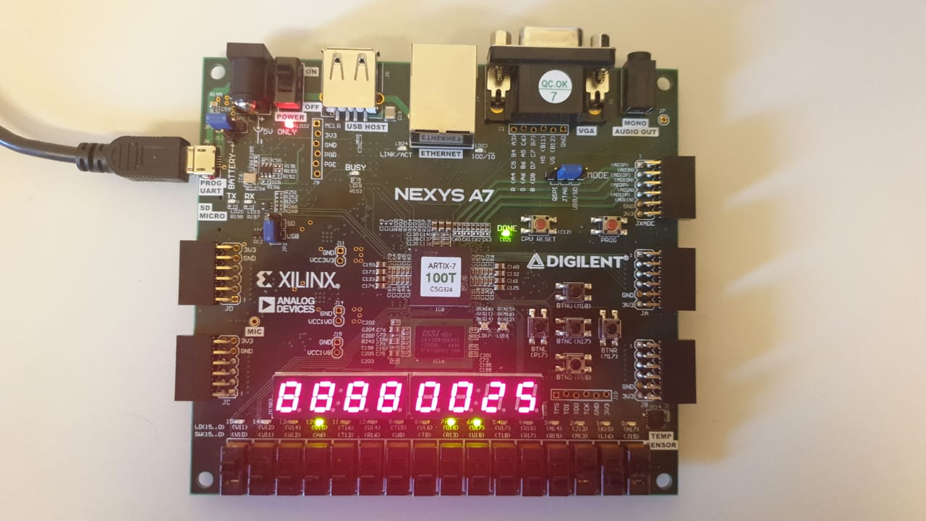

 |  |  | PC 24, alusrc A output

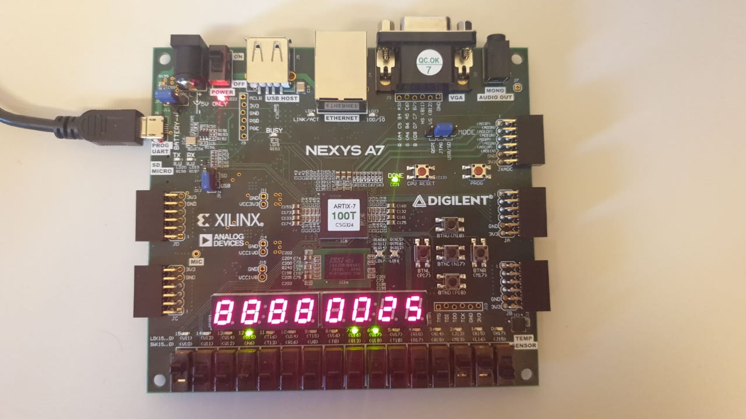

 |  |  | PC 24 , alusrc B output

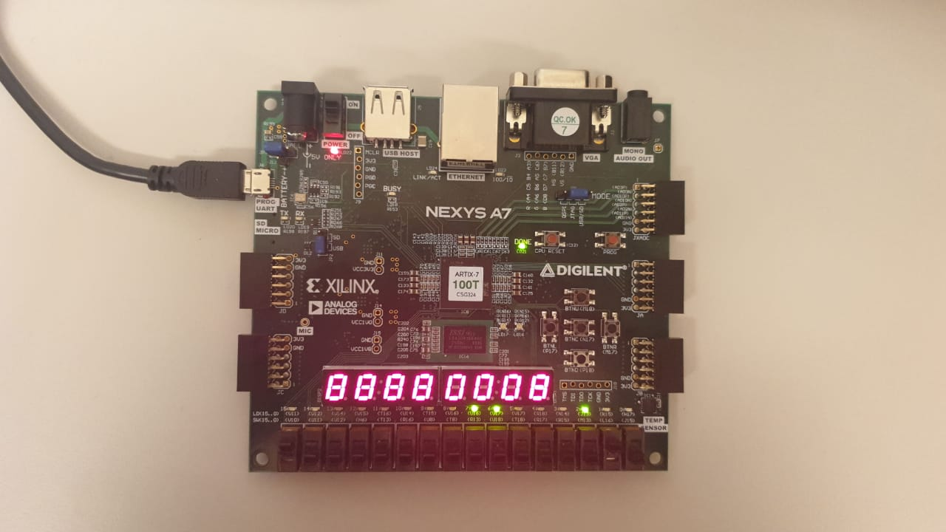

 |  |  | PC 48 EX_MEM_aluresult_input output

